CalfromCoeffMeasured19450129
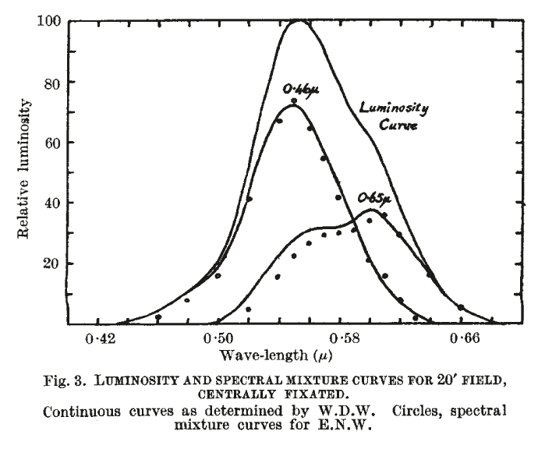
oeff
 | wavelength | Coeffs |  | Coeffs x LumY |  |  |  | Mixture curves
 |  | 650nm | 460nm | 650nm (.67) | 460nm (1.00) | Sum | Equal Energy LumY | 650nm | 460nm
 | 450
 | 460 | 0 | 1 | 0 | 1 | 1 | 0.05 | 0 | 0.05
 | 470 | 0.04 | 0.96 | 0.03 | 0.96 | 0.99 | 0.07 | 0.0021 | 0.0679
 | 480 | 0.08 | 0.92 | 0.05 | 0.92 | 0.97 | 0.1 | 0.0052 | 0.0948
 | 490 | 0.11 | 0.89 | 0.07 | 0.89 | 0.96 | 0.14 | 0.0102 | 0.1296
 | 500 | 0.15 | 0.85 | 0.1 | 0.85 | 0.95 | 0.2 | 0.021 | 0.179
 | 510 | 0.19 | 0.81 | 0.13 | 0.81 | 0.94 | 0.33 | 0.046 | 0.2854
 | 520 | 0.23 | 0.77 | 0.15 | 0.77 | 0.92 | 0.53 | 0.087 | 0.443
 | 530 | 0.27 | 0.73 | 0.18 | 0.73 | 0.91 | 0.73 | 0.144 | 0.586
 | 540 | 0.32 | 0.68 | 0.21 | 0.68 | 0.89 | 0.91 | 0.215 | 0.695
 | 550 | 0.36 | 0.64 | 0.24 | 0.64 | 0.88 | 0.99 | 0.27 | 0.72
 | 560 | 0.39 | 0.61 | 0.26 | 0.61 | 0.87 | 0.96 | 0.287 | 0.673
 | 570 | 0.44 | 0.56 | 0.29 | 0.56 | 0.85 | 0.88 | 0.3 | 0.58
 | 580 | 0.49 | 0.51 | 0.33 | 0.51 | 0.84 | 0.76 | 0.298 | 0.462
 | 590 | 0.57 | 0.43 | 0.38 | 0.43 | 0.81 | 0.71 | 0.333 | 0.377
 | 600 | 0.69 | 0.31 | 0.46 | 0.31 | 0.77 | 0.6 | 0.358 | 0.242
 | 610 | 0.78 | 0.22 | 0.52 | 0.22 | 0.74 | 0.49 | 0.344 | 0.146
 | 620 | 0.85 | 0.15 | 0.57 | 0.15 | 0.72 | 0.38 | 0.301 | 0.079
 | 630 | 0.91 | 0.09 | 0.61 | 0.09 | 0.7 | 0.29 | 0.253 | 0.037
 | 640 | 0.96 | 0.04 | 0.64 | 0.04 | 0.68 | 0.21 | 0.2198 | 0.012
Recon of Willmer and Wright 1945 Fig 1
 | 650 | 1 | 0 | 0.67 | 0 | 0.67 | 0.15 | 0.15 | 0

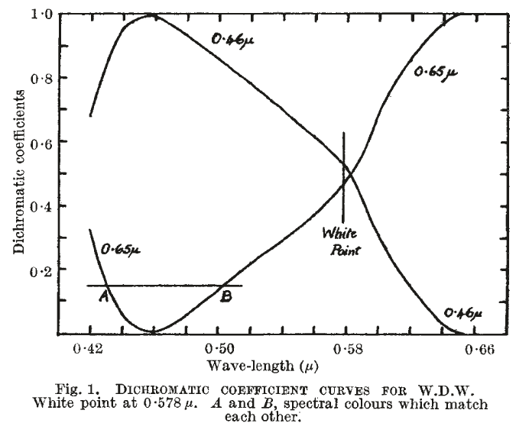

Recon of Willmer and Wright 1945 Fig 3

AnAttemptAtGettingWillmerData
Willmer tabulated data on pages 9a,b 19441219
 | Coefficients |  |  |  |  | Coeffs by LumY
date | wavelength | 650nm | 460nm |  |  | 650nm | 460nm
19441219 | 582.5 | 0.5 | 0.5 | Page 9a,b | 440 | -0.252 | 1.753 | Page 9c
19441219 | 630 | 0.912 | 0.088 | Page 9a,b | 450 | -0.122 | 1.586 | Page 9c
19441219 | 610 | 0.744 | 0.256 | Page 9a,b | 460 | 0 | 1.43 | Page 9c
19441219 | 590 | 0.522 | 0.478 | Page 9a,b | 470 | 0.033 | 1.398 | Page 9c
19441219 | 570 | 0.379 | 0.621 | Page 9a,b | 490 | 0.091 | 1.31 | Page 9c
19441219 | 550 | 0.285 | 0.715 | Page 9a,b | 510 | 0.163 | 1.2 | Page 9c
19441219 | 530 | 0.24 | 0.76 | Page 9a,b | 530 | 0.242 | 1.11 | Page 9c
19441219 | 510 | 0.278 | 0.721 | Page 9a,b | 550 | 0.344 | 0.995 | Page 9c
19441219 | 490 | 0.234 | 0.766 | Page 9a,b | 570 | 0.466 | 0.887 | Page 9c
19441219 | 470 | 0.155 | 0.845 | Page 9a,b | 582.5 | 0.555 | 0.716 | Page 9c
19441219 | 582.5 | 0.5 | 0.5 | Page 9a,b | 590 | 0.611 | 0.644 | Page 9c
19441219 | 550 | 0.312 | 0.688 | Page 9a,b | 610 | 0.822 | 0.372 | Page 9c
19441219 | 510 | 0.224 | 0.776 | Page 9a,b | 630 | 1.01 | 0.129 | Page 9c
19441219 | 490 | 0.083 | 0.917 | Page 9a,b | 650 | 1.11 | 0 | Page 9c
19441219 | 470 | 0.012 | 0.988 | Page 9a,b
19441219 | 440 | -0.227 | 1.227 | Page 9a,b
19441219 | 450 | -0.136 | 1.136 | Page 9a,b
Willmer tabulated data on pages 9c 19441219
19441219 | 510 | 0.187 | 0.813 | Page 9a,b
19450108 | 582.5 | 0.5 | 0.5
19450108 | 450 | 0.052 | 0.948
19450108 | 440 | -0.111 | 1.111
19450108 | 430 | -0.112 | 1.112
19450108 | 490 | 0.096 | 0.904
19450108 | 470 | 0.004 | 0.996
19450108 | 450 | 0.144 | 0.856
19450108 | 440 | 0.019 | 0.981
19450213 | 582.5 | 0.5 | 0.5
19450213 | 440 | 0.154 | 0.846
19450213 | 460 | 0.166 | 0.834
19450213 | 480 | 0.27 | 0.73
19450213 | 500 | 0.247 | 0.753
19450213 | 520 | 0.324 | 0.676
19450213 | 540 | 0.296 | 0.704
19450213 | 560 | 0.307 | 0.693
19450213 | 600 | 0.535 | 0.465
19450213 | 620 | 0.785 | 0.215
19450213 | 640 | 0.884 | 0.116
19450213 | 540 | 0.211 | 0.789
19450213 | 560 | 0.241 | 0.759
19450213 | 540 | 0.175 | 0.825

